Sheet1
 | Document No. |  | Issue No. |  | Issue Date |  |  | Review and Replace Date |  |  | Authorised By
 | GFF169MC |  | 7 |  | 20.03.2020 |  |  | 08.10.2025 |  |  | Magda Shah
 | Document Title |  | Indian Selection with Tamarind Dip 84g
Document amendments reason for change | Film Updated |  |  |  | Page 1 of 1 |  | Previous Issue Date |  | 29.09.2022 |  | Uncontrolled copy unless signed original

CINSB3-G6T |  | GAZEBO |  |  |  | INDIAN SELECTION WITH TAMARIND DIP 84g
STEP 1 |  |  |  | STEP 2 |  |  |  |  |  | STEP 3
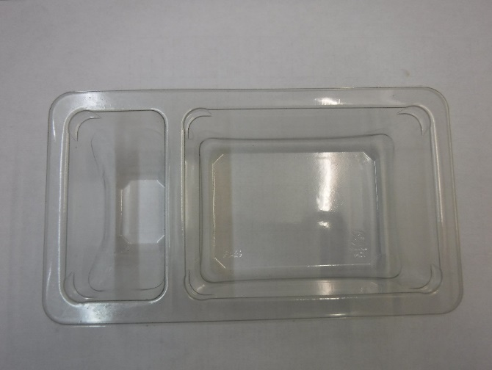 |  |  |  | 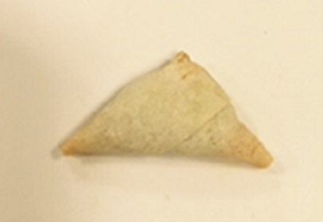 Fried before packing |  |  |  |  |  | 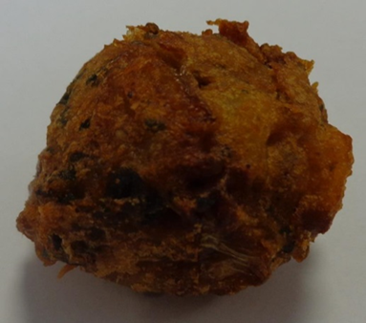

Tray: Duo-Pot Tray (PKLEE001-01) |  |  |  | 2 x 15g Vegetable Samosa-RMUPB001-02 |  |  |  |  |  | 2 x 12g Vegetable Pakora Bite (GFF426R)
Film:K peel 7G+25A/f-240mm (240mmX1000)- PKKMP001-08
STEP 4 |  |  |  |  |  |  | STEP 5
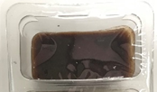

Tamarind Dip (Heera) (RMP&B001-04): 30g |  |  |  |  |  |  | TOTAL WEIGHT: 84g

ALLERGY ALERT: WHEAT

